1. Title Page
Customer Analysis

Project Name: Customer Analysis
Date: February 2023
Analyst Name: Liana Bulte

Contents:
Population Flow
Consistency checks
Wrangling steps
Column derivations
Visualizations
Recommendations

Citation:
“The Instacart Online Grocery Shopping Dataset 2017”
Accessed from https://www.instacart.com/datasets/grocery-shopping-2017 on February 2023
*product prices have been fabricated for the purpose of this exercise

2. Population Flow
Title page

Population flow

Exclusion flag
Condition: max_order < 5
Obervations to be removed: first_name and last_name due to PPI
Final total count of order_products_all: 29,303,281

Orders_products_combined
Orders_products_merged
Orders_products_all

Total: 30,327,863
Total: 30,356,421
Total: 30,328,763

3. Consistency checks
 |  |  |  | Title page
Consistency checks

Dataset | Missing values | Missing values treatment | Duplicates
orders | 206,209 days_since_prior_order values | created new dataframe df_ords_clean without the missing prior days values | none
products | 16 product_names | created new dataframe df_prods_clean without the missing products names | 5 duplicate rows deleted
orders_products_prior | none | none | none
customers | 11,259 first_names | left untreated as the other columns in the dataset were whole and without missing data | none

4. Wrangling steps
 |  |  |  |  | Title page
Wrangling steps

Dataset | Columns dropped | Columns renamed | Columns' type changed | Comment/Reason
Orders | "eval_set" from Orders |  |  | was not useful for analysis purposes
Orders |  | "order_dow" to "orders_day_of_week" |  | original header was vague, expanded to make it more intuitive
Orders |  |  | "order_id" updated to string | was not useful for analysis purposes
Customers |  | Surnam = last_name First Name = first_name Gender = gender STATE = state Age = age |  | renamed columns for uniformity to match with orders_prodcuts_merged headers
Customers |  |  | first_name updated to string | original column presented mixed data type
Orders_products_all2 | "first name" and "last name" |  |  | for PPI reasons - needed to to protect customer data

5. Column derivations
 |  |  |  | Title page

Column derivations and aggregations

Dataset | New column | Column/s it was derived from | Conditions
orders_products_merged | price_range_loc | price | if price under $5 = low range product, if price over 5 but less than $15 = mid range product, if price over $15 = high range product
orders_products_merged | busiest_day | orders_day_of_week | top days with highest order count = 'busiest day', bottom day with lowest order count = 'least busy', all other days = 'regularly busy'
orders_products_merged | busiest_days | orders_day_of_week | 2 days with highest order count = 'busiest days', 2 days with lowest order count = 'slowest days', all other days orders = 'regular days'
orders_products_merged | busiest_period_of_day | order_hour_of_day | hours in bottom quantile 0.25 or lower= 'fewest orders', hours between 0.25 and 0.75 = 'average orders', hours with most orders in 0.75 or higher quantile = 'most orders'
orders_products_merged_updated | loyalty_flag | max_order/order_number | if a customers total order count was over 40 = loyal customr, if between 40 and 10 = regular customer, if under 10 orders = new customer
orders_products_merged_updated | spending_flag | avg_price/prices | if a customers avg price spent was over 10 = high spender, if under 10 = low spender
orders_products_merged_updated | order_frequency_flag | median_prior_order/days_since_prior_order | if a customers median order rate was over 20 days = non-frequent customer, if between 10 and 20 days = regular customer, if 10 days or under = frequent customer
orders_products_all | region | state | geograhic region assigned based on wikipedia page (https://simple.wikipedia.org/wiki/List_of_regions_of_the_United_States)
high_activity_customers | age group | age | if 18 to 33 = young adult, if 34 - 64 = adult, if over 65 = senior
high_activity_customers | income_level | income | if less that 67,360 = low income, if 67,361 - 96,779 = middle income, is 96,780 -128,115 = upper middle income, if higher than 128,115 = high income
high_activity_customers | profile | income/ n_dependants/ age group | high income single adult = 0 dependants and income over 96,780 low income single adult = 0 dependants and income less than 96,780 high income small family = 1 depenant and income over 96,780 low income small family = 1 dependant and income under 96,780 high income big family = 2+ dependants and income over 96,780 low income big family = 2+ dependants and income less than 96,780 high income retired = over 65 year and income over 96,780 low income retired = over 65 years and income under 96,780

6. Visualizations
 |  | Title page

Visualisations

*product prices have been fabricated for the purpose of this exercise

What are the busiest days of the week and hours of the day (ie the days and times with the most orders) ?

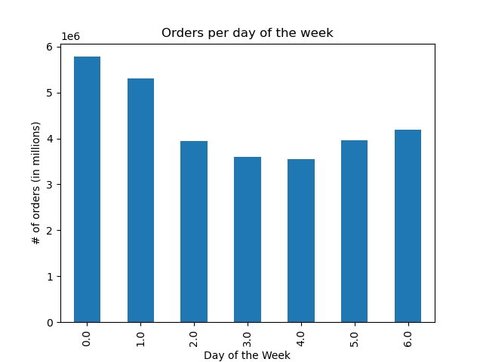


Bussiest day of the week are: Saturdays (0) and Sundays (1)
Bussiest time of the day: 10 AM - 3PM

What time of the day do people spend the most money?

 | Average Product Price during the day
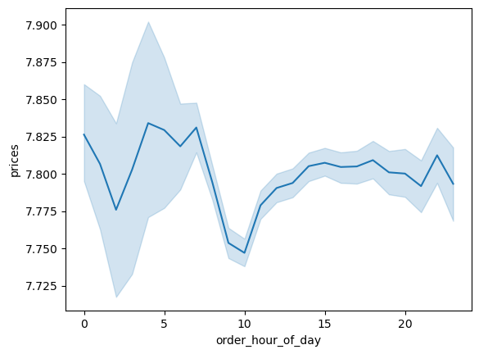

The average price spent on a product doesn't vary too much, but there are two main spots that show a slightly higher cost, both occuring during the late night/early hours of the day: 12 -1AM, and 4 - 7 am

Instacart has a lot of products with different price tags. Marketing and sales want to use a simpler price range groupings to help direct their efforts

 | Frequency


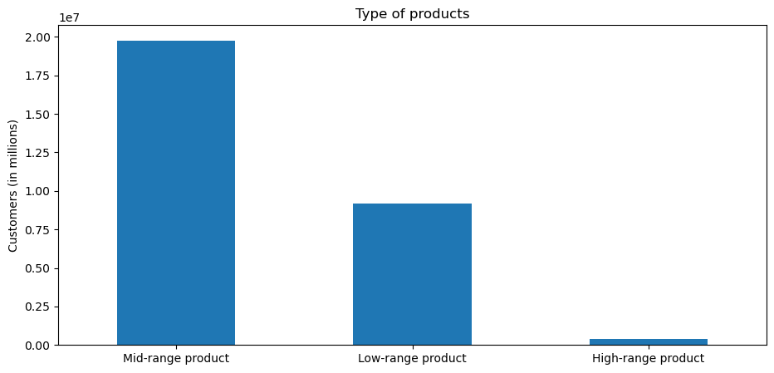
Majority of products are between $1 - $15 as seen in the histogram on the left outlining the frequency of each product's price.
If we were to further divide this into 3 buckets (as indicated in the right bar chart) Mid Range products (over $5 but less than $15) is the majority of where the instacart products fall.

 | Price

Are there certain types of products that are more popular than others? (Marketing wants to know which departments have the highest frequency of product orders)

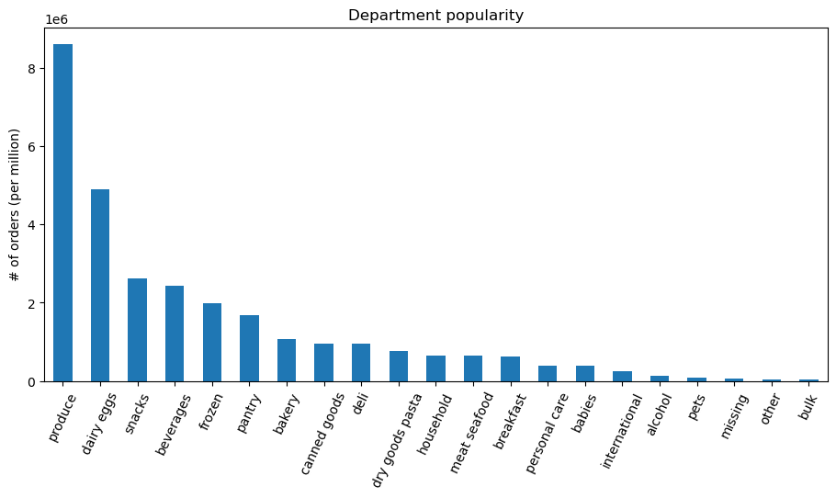

The most popular departments for orders are: product, dairy/eggs, and snacks

What’s the distribution among users in regards to their brand loyalty (i.e., how often do they return to Instacart)?

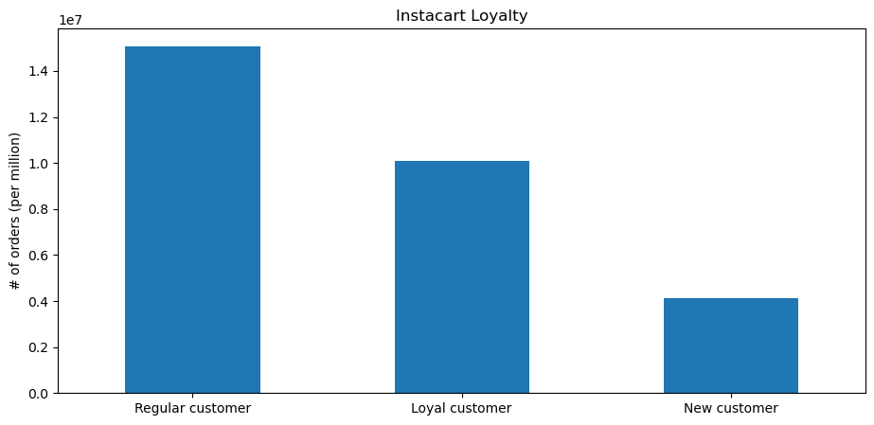
Regular customers who order between 10 - 40 orders , are the most frequent group to shop at Instacart.
With the biggest user profile being 'big families with lower incomes' to shop the most frequently.

Are there differences in ordering habits based on a customer’s loyalty status?

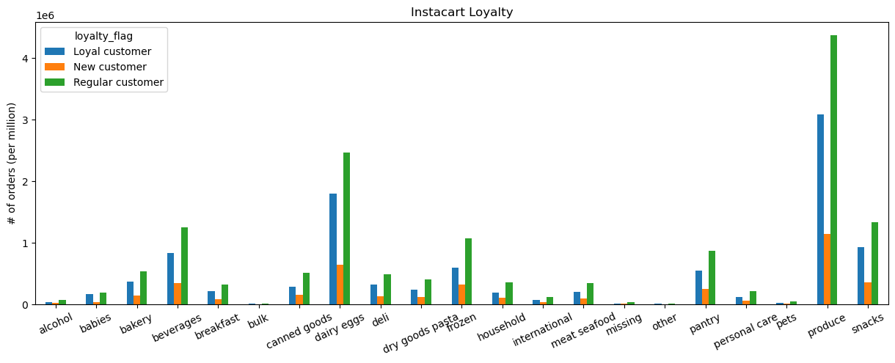

There isn't a difference in loyalty status across the various departments as the regular customers are the top orderers across the board, followed by the loyal and regular customers respectively.
There is however a more defined pattern across the day of the week. Regular customers show an obvious decrease going into the middle of the week and then picking back up toward the weekend. While new customers are more consistent in their orders throughout the week.

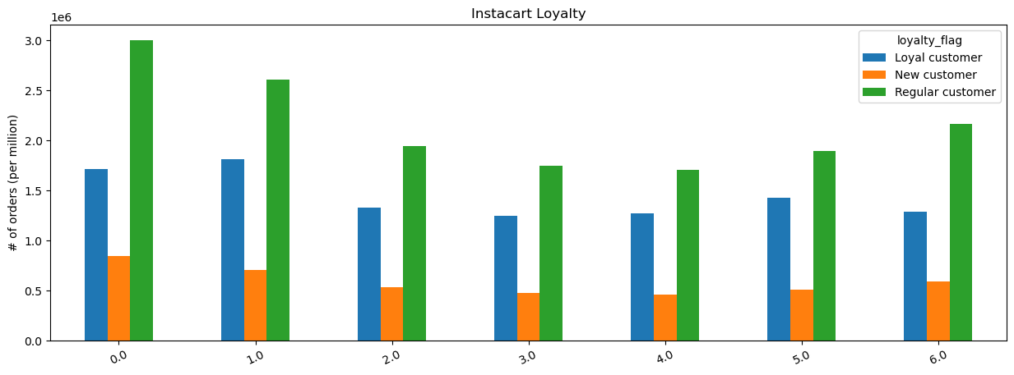

Are there differences in ordering habits based on a customer’s region?
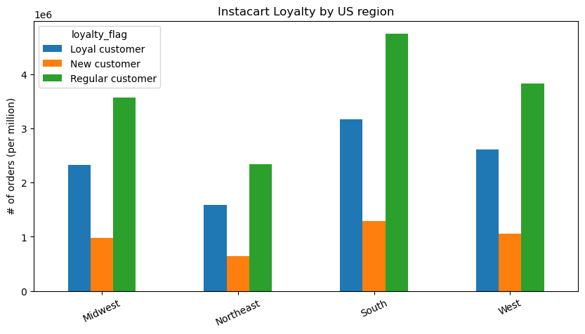
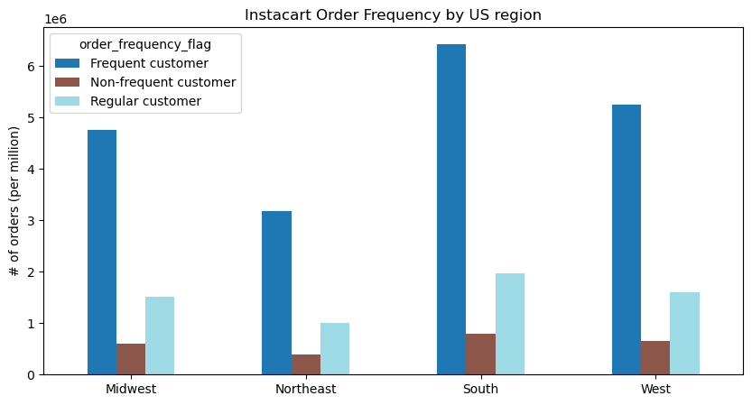

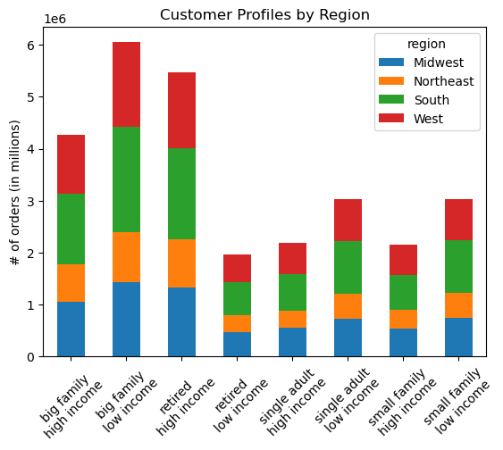

Regionally the south region has the highest population count which which is evident across all 3 graphs.
A regular customer in the loyalty graph is indicative of a customer ordering between 10 to 40 orders.
While a regular customer in the order frequency graph indicates their median order rate being between 10 - 20 days since their last order.
The distribution of regions across each customer profile is relatively the same and as mentioned in the previous question, 'big families with lower income' are the highest profile across all regions

Is there a connection between age and family status in terms of ordering habits?
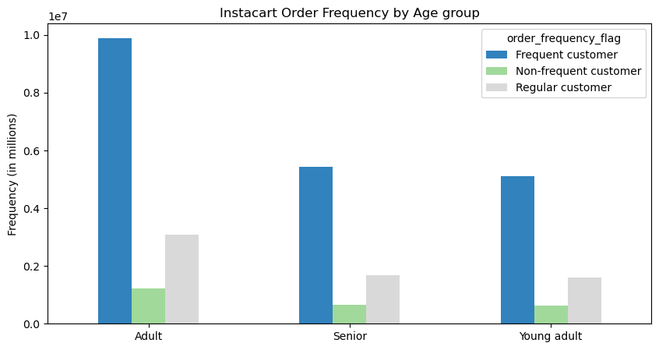
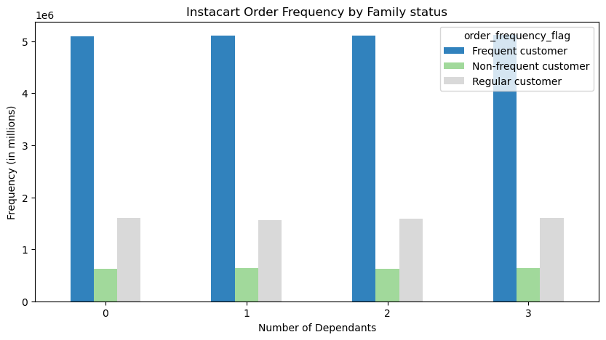

Regardless of age or number of dependants, majority of customers are ordering frequently (median order rate less than or equal to 10 days).

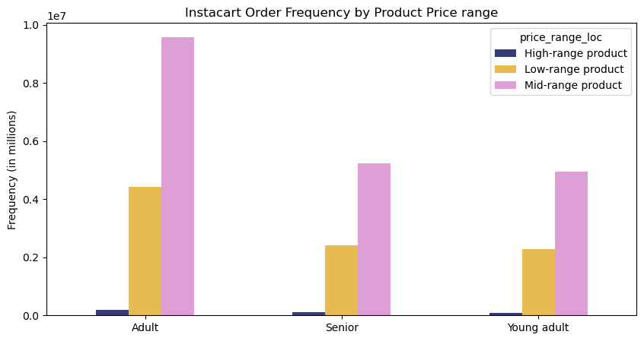
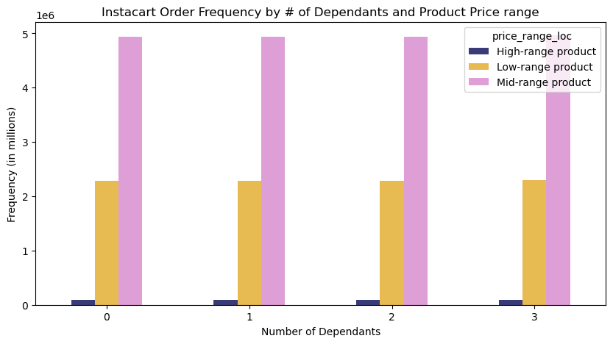

Similar to the above graphs, all customers are ordering more mid-range products (between 5-15 dollars) when shopping at instacart. The adult group is sligthly spending more on high-range products in comparison to the rest

What different classifications does the demographic information suggest? Age? Income? Family status?

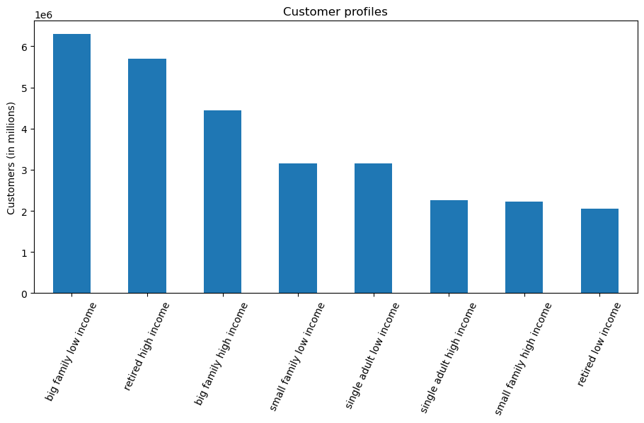

Majority of customers are:
big families (2+ dependants) with lower incomes (under $96,780),
followed by
retired customers (65+) with higher incomes (over $96,780

What differences can you find in ordering habits of different customer profiles? Consider the price of orders, the frequency of orders, the products customers are ordering

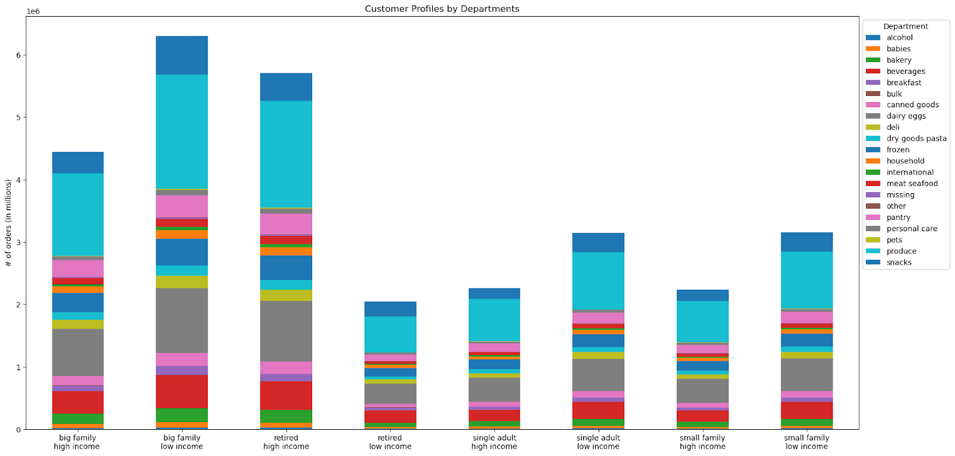

As concluded in previous graphs:
Produce is the highest department shopped at by all customers and the proportions for each department are pretty consistant across all profiles.

7. Recommendations
 |  | Title page

Recommendations

Question | Answer
What are the busiest days of the week and hours of the day? In order to schedule ads at time when there are fewer orders | Saturdays and Sundays are the busiest time of the week, and 10 am - 3pm is the busiest time for placing orders. The Marketing team can try running ads for weekdays and after 3 pm to promote additional traffic at those times. Or alternatively they could create an 'early bird' promotion for customer to place orders prior to 10 am
What time of the day do people spend the most money? | The highest price per products are sold during midnight to 1 am, and again at 4 - 7am. This can indicate that customers during those time periods are less diligent to search for a cheaper price and for convenience (due to the time of day) are willing to pay a premium on the item. This does not relate the higher order placements as the graph in the previous question shows thes times of the day having the lowest order placements
Instacart has a lot of products with different price tags. Marketing and sales want to use a simpler price range groupings to help direct their efforts | Majority of instacar products fall between the mid range tier of between 5-15 dollars, and majority of customers are buying products from this range as well. I would recommend to review and strengthen the product selection in this price range
Are there certain types of products that are more popular than others? (Marketing wants to know which departments have the highest frequency of product orders) | The top 3 departments by order frequency are: produce, dairy/eggs, and snacks
Whats the distribution among user in regards to their brand loyalty? (ie. How often do they return to instacart? | The largest population are 'regular customers' who on average place between 10 - 40 orders per month, follower by 'loyal customers' who place over 40 orders. In order to conver regular customers into the higher tier there would need to be a focus on bigger families with multiple dependants as this is the higher demographic
Are there differences in ordering habits based on a customer's loyalty status? | There is a small pattern in the type of loyalty customer when shopping across the week. Regular customers show a defined decrease going into the middle of the week and then picking back up toward the weekend. While new customers are more consistent in their orders throughout the week with less volatility. If the marketing team wanted to tackle the reguar loyalty status group then a campaign toward mid-week shopping would be beneficial in increasing orders
Are there differences in ordering habits based on a customer's region? | The ordering habits are consistent across the regions with all regions having 'frequent customers' as #1. This indicates that thes customers are waiting under 10 days to place their next order. From a volume perspective the south have the highest frequency out of all the regions but that is due to these states being large and highly populated. I would recommend focusing on the other 3 regions to increase sales as the south is established
Is there a connection between age and family status in terms of ordering habits? | Regardless of age or number of dependants, majority of customers are ordering frequently (median order rate less than or equal to 10 days) and purchasing mid-range products
What different classifications does the demographic information suggest? Age? Income? Certain types of goods? Family status? | The largest segment of instacart customers are big families (2+ dependants) with lower incomes (under $96,780) , and retired customers (65+) with higher incomes (over $96,780). The marketing team could focus on strengthening the other custome profiles in order to generate more revnue from them
What difference can you find in ordering habits of different customer profiles? Consider the price of order, the frequency of order, the products customers are ordering, and anything else you can think of | The purchases across the various departments are consistent across all the user profiles which indicates that regardless of purchasing power all customers are looking to repurchase the same items.

